SST Index Dashboard
https://github.com/d3/d3/wiki/Gallery
 |  | SST Index
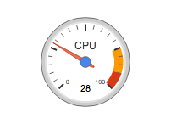

 | SST Robustness Index | SST Resilience Index | SST Readiness Index

SST Insights Dashboard
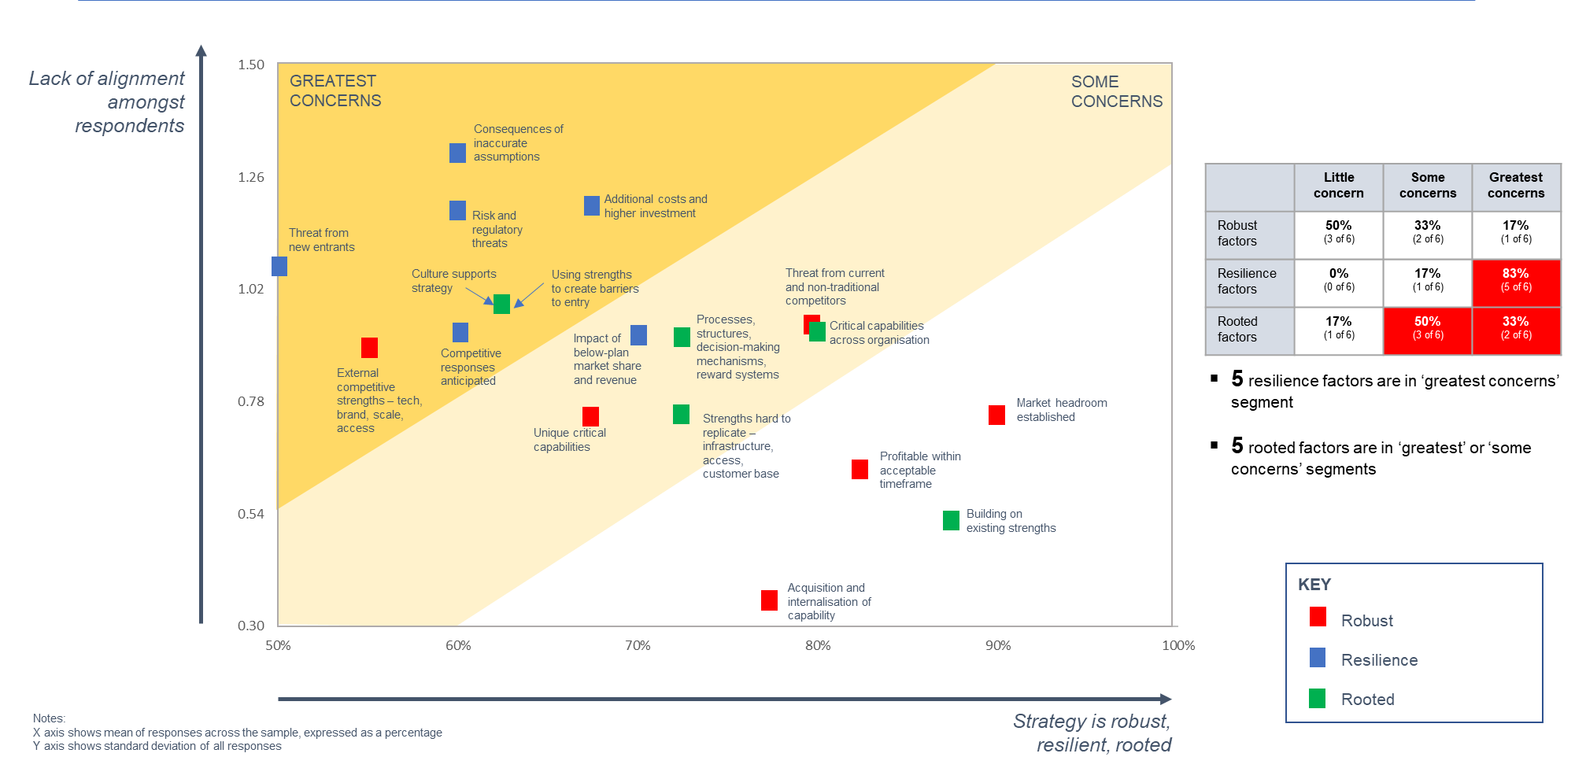

SST User-Team Dashboard
User-Team Score Comparision for a question

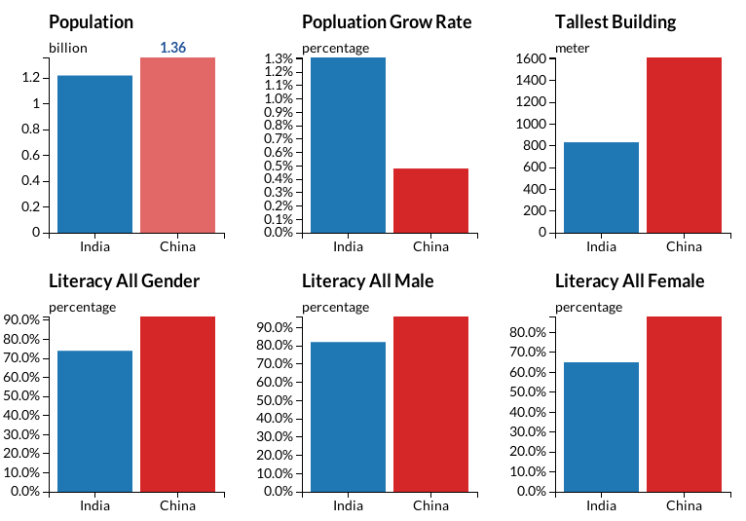
Team 1
Team 2
Team 3

User 1
User 2
User 3
User 4
User 5
User 6
Team 4
Team 5
Team 6

SST Org-wide Team-Dim Summary
SST Organization-wide Team Dimension (PD/SD/Question) Summary
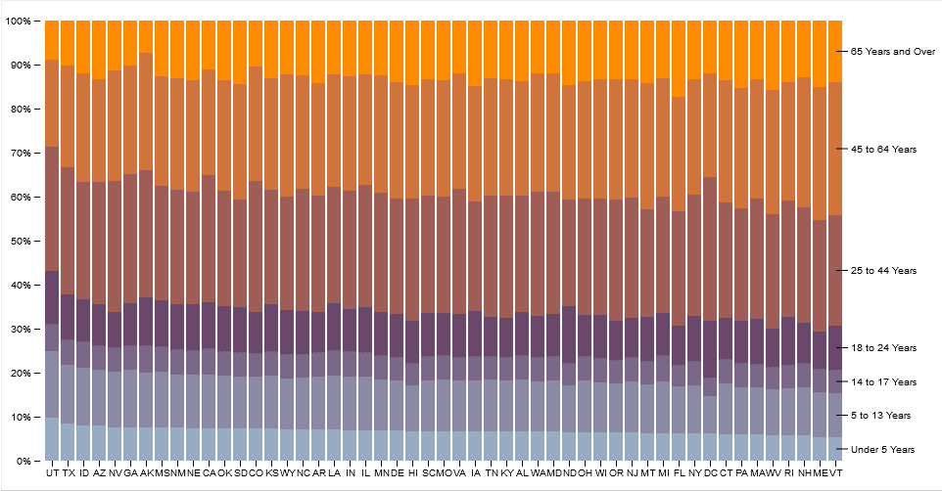

Ready

Robustness

Resilience

U2
U1
U3

SST Team user Primary Dim Sumry
SST Team-wide User Dimension (PD/SD/Question) Summary

Ready

Robustness

Resilience

T2
T1
T3

SST Brexit Insights
